TIS_TIP Guidance
Workbook Purpose | This normally-optional template facilitates the development of a project's Test and Inspection Summary (TIS) to facilitate development of a T&I Plan or planning document (TIP). The Constructor is responsibile for producing the TIP in accordance with Section 01 4000 or 01 4001 (hereafter "01 4000" for simplicity) "Quality Requirements" of the Project Specifications, or when otherwise contractually mandated. The terms Test & Inspection Plan and TIP refer to any document containing the T&I planning specifics. For most projects, the “plan” must or should be integral to the project construction execution schedule (possibly filtered for the T&I tasks); however, for small projects that do not warrant a formal schedule or work breakdown structure as determined by the Integrated Project Team (IPT), issuing the plan standalone or on the drawings or sketches is more likely. The TIP must identify all applicable testing, inspection, and related quality control requirements based on LANL’s Engineering Standards Manual (ESM) Chapter 16, including but not limited to Sections IBC-GEN and IBC-IP and, where relevant, testing, inspection, and quality control requirements imposed through the design package and/or the Engineer-of-Record (EOR)–generated Statement of Special Inspections (SSI). Approaches and formats specified in LANL Master Spec 01 4000 will always contain an acceptable approach/format as they have LANL authorities (AHJs) and Chief Inspector concurrence. For small modification projects, streamlining of the necessary information is expected, and beyond that, alternative approaches/formats may be approved as a type 1 variance by the Ch. 16 POC. To support this TIP process, this workbook offers a customizable format for the design agency (EOR) preparing a TIS during the design and pre-construction phases. A TIS is often not a required document. It is a summary typically produced by the design agency (EOR) that is (1) useful for discussing intended test & inspection req
Workbook Layout | This is multi-tabbed Excel workbook. When using this workbook to develop a TIS, before issuance, this Pink (TIS_TIP Guidance) tab should be deleted or othersie not included and, possibly, the Green (Legend, Defn's, and WBS Example) tab shortened. Refer to the legend on the last, green tab (Legend, Definitions, and WBS Example) for abbreviations/definitions of responsible parties and tasks. The gray TIS Coversheet tab is a template that may be used by the Designer or Record to create a coversheet for the TIS, which is normally an edit of the other tabs. On the blue Spec-Based Tasks tab, the requirements from LANL's master guide specifications are summarized by spec section. The requirements are organized into three categories: 1) Inspections 2) QC Verifications 3) Testing The party responsible for the oversight or administration of each Hold Point is indicated (Owner column). The requirement basis and/or the location of the requirement in the specification is provided to allow easy reference and greater context when needed. When using this workbook to develop a TIS, be sure to update the tab based upon the project specific revision to the LMS or the project specific alternative specifications. The orange Code-Based Inspections tab summarizes inspections from the LANL Building Codes and their incorporated-by-reference standard requirements (these often span multiple spec section tasks). When using this workbook to develop a TIS it will be necessary to collaborate with the applicable LANL permitting authorities to identify which inspections are applicable to the scope of the project. It is typically beneficial to remove or gray-out/highlight inspection references that are not applicable to the scope of the project. WBS: On the green WBS (etc.) tab, a brief illustration of a deliverable-based Work Breakdown Structure (WBS) has been provided, incorporating the requirements from both the Spec-Based tab and the Code-Based tab into a WBS with high level tasks outlining | 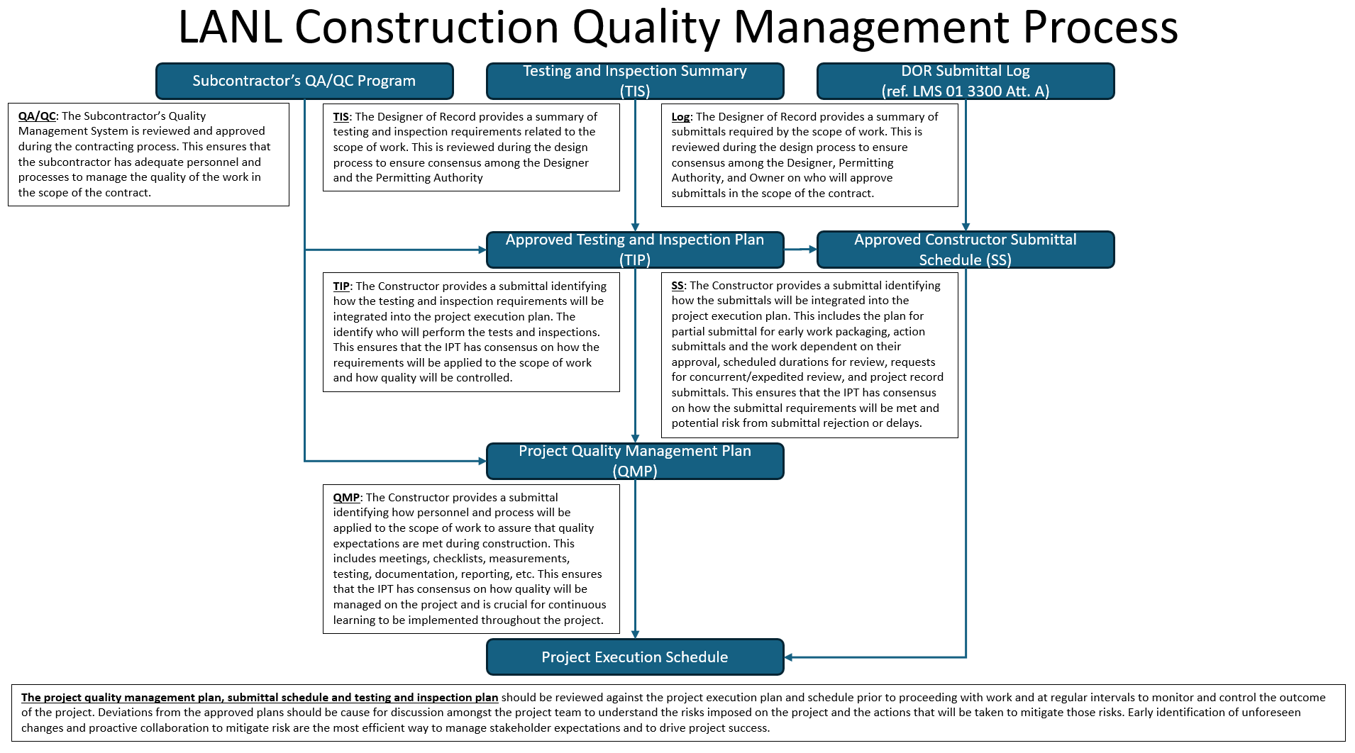
Workbook is Guidance | This guidance document (unedited) is not intended to serve as a project's TIS or TIP, but is a tool to help produce them. NDE (nondestructive examination) note: Projects with extensive NDE may wish to create a separate NDE TIS (NTIS) and/or TIP (NTIP) and refer out to it; ref. LANL Master Spec Section 01 4525 (r0, 1.5.A.7).

Summary of Att. I Revisions | Rev. 0: Initial issuance, 9/24/2013
 | Rev. 1, 3/22/2023: Complete revision and update, simplified/streamlined. Addition of code-based inspections and instructions on separate tabs. Incorporated VAR-10564 (constructor develops, not design agency). 2021 IBC, IFC, UMC, and UPC and 2020 NEC compliant.
 | Rev. 2, 03/25/2026: TIP Template became “Test & Inspection Summary (TIS) Template (Guidance)," implementing VAR-10761. Explanation tab became TIS_TIP Guidance to reflect changes and discuss new concepts, add quality management diagram. TIS Coversheet tab added. Created Legend, Defn's, and WBS Example tab. On Spec-Based tab, removed QC Submittals and "Witness Points." On Code-Driven tab, added pressure safety row for when ASME, IFC and NFPA tasks for the Fire Marshal's Office, and columns for discipline and inspection type. Manufacturer's tech rep presence added for selected fire (code tab) and roofing (specs). Implements commercial/conventional initiative.

