LokRing B31.9
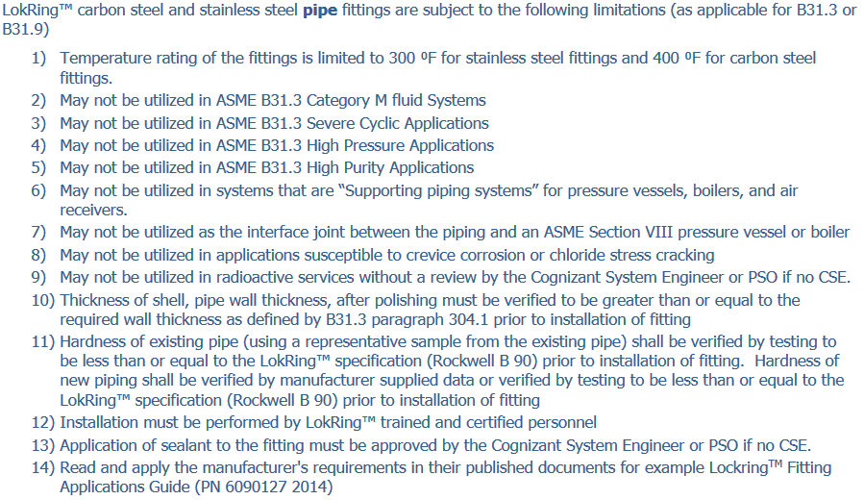
Appendix 1:
LANL LokRing™ Pressure Ratings for B31.9 Service

 | LokRing™ Carbon Steel Pipe Fittings
LokRing™ | Pipe NPS | ASME B31.1
Size |  | Pipe Schedules 4:1
 |  | 40 | 80 | 160
P04 | 1/4” | 1223 | 1653
P06 | 3/8” | 1010 | 1400
P08 | 1/2” | 973 | 1300 | 1203
P12 | 3/4” | 808 | 1100 | 1060
P16 | 1” | 758 | 994 | 913
P20 | 1-1/4” | 620 | 838
P24 | 1-1/2” | 550 | 733
P32 | 2” | 448 | 605
P40 | 2-1/2” | 575 | 850
P48 | 3” | 426 | 565
P64 | 4” | 495 | 660

LokRing™ Stainless Steel Pipe
Fittings
LokRing™ | Pipe NPS | ASME B31.1
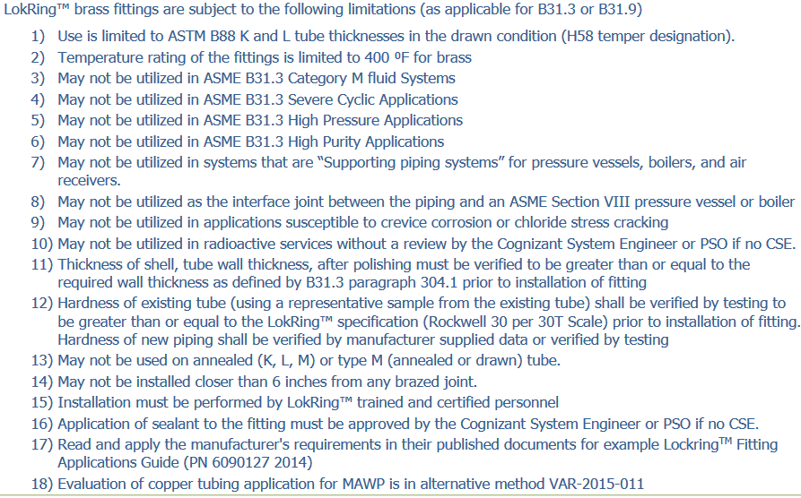
Size |  | Pipe Schedules 4:1
 |  | 10 | 40 | 80
P04 | 1/4” | 945.25 | 1325 | 1500
P06 | 3/8” | 850 | 1225 | 1437.5
P08 | 1/2” | 1007.5 | 1190 | 1190
P12 | 3/4” | 792.5 | 1052.5 | 1232.5
P16 | 1” | 835 | 920 | 997.5
P20 | 1-1/4” | 612.5 | 675 | 745
P24 | 1-1/2” | 565 | 610 | 610
P32 | 2” | 375 | 550 | 625
P48 | 3” | 230 | 425 | 337.5

LokRing™ Stainless Steel Tube
Fittings
Tube Wall Thickness Measured in Inches 4:1; B31.1

Tube OD | Size | 0.035 | 0.049 | 0.065 | 0.083 | 0.095 | 0.109 | 0.12
1/4" | T04 | 1275 | 1875 | 2263
3/8" | T06 | 825 | 1200 | 1413
1/2" | T08 | 650 | 925 | 1068
5/8" | T10 | 525 | 725 | 938
3/4" | T12 | 425 | 600 | 1050 | 1050
7/8" | T14 |  |  | 700
1" | T16 |  |  | 600 | 775
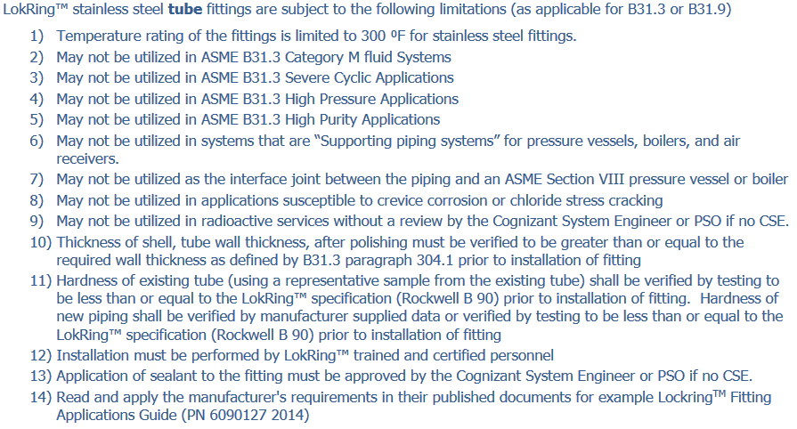
1-1/4” | T20 |  |  | 475 | 600 | 700 | 825
1-1/2” | T24 |  |  | 400 | 500 | 575 | 675 | 750
2” | T32 |  |  | 275 | 375
2-1/2" | T40 |  |  | 225 | 300

LokRing™ Brass Tube
Fittings; B31.1
Nominal Fitting Size | LokRing™ | Tube OD | Qualified Wall |  | Qualified Wall |  | Qualified Wall
 |  |  | Thickness K |  | Thickness L |  | Thickness M
 |  |  | Wall | LokRing™ | Wall | LokRing™ | Wall | LokRing™
 |  |  |  | Pressure Rating (PSI) 4:1 |  | Pressure Rating (PSI) 4:1 |  | Pressure Rating (PSI) 4:1
3/8” | T06 | 0.5 | 0.049 | 487 | 0.035 | 335 | 0.025 | 246
1/2” | T08 | 0.625 | 0.049 | 384 | 0.04 | 311 | 0.028 | 213
5/8” | T10 | 0.75 | 0.049 | 317 | 0.042 | 272 | - | -
3/4” | T12 | 0.875 | 0.065 | 367 | 0.045 | 251 | 0.032 | 175
1” | T16 | 1.125 | 0.065 | 282 | 0.05 | 213 | 0.035 | 145
1¼” | 120 | 1.375 | 0.065 | 229 | 0.055 | 189 | 0.042 | 146
1½” | T24 | 1.625 | 0.072 | 213 | 0.06 | 176 | 0.049 | 142
2” | T32 | 2.125 | 0.083 | 187 | 0.07 | 156 | 0.058 | 129

